Current Ratio

 |  |  |  | How to use this calculator
Small Business |  |  |  | The Current Ratio measures the liquidity of your company and indicates its ability to pay your short-term bills. It measures your Current Assets (items that can be readily turned into cash such as money in the bank and debtors) versus your Current Liabilities (debts that you need to pay in the near future. i.e., within 12 months)
Current Ratio
 |  |  |  | How it's calculated
Current Assets |  |  |  | Divide Current Assets by Current Liabilties
 | $300,000 | Current Ratio |  | Step 1
 |  | 1.5 | (150%) | Open your latest financial statement and look for the Assets and Liabilities figures. If you use accounting software you should be able to generate a current figure similar to the examples below.
Current Liabilities
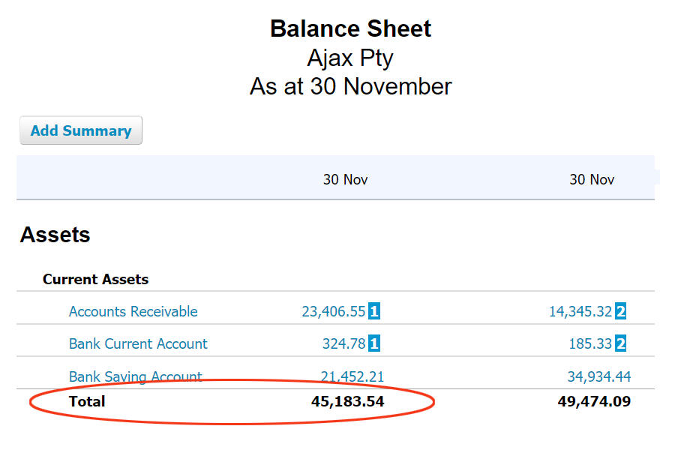
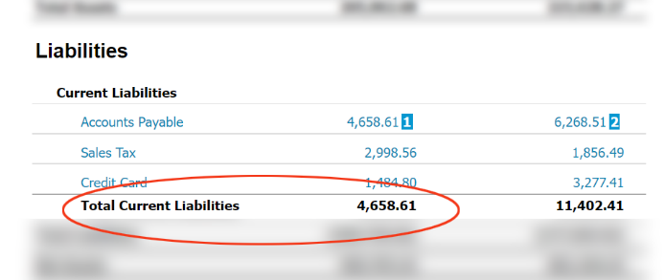
 | $200,000 | Healthy Ratio
What this tells you
As your Current Ratio is above 1.2, you should have enough assets to cover any liabilities. However, this assumes your current assets can be easily converted into cash. Check the Solutions Checklist for more information.

Note. This is a guide only and should neither replace competent advice, nor be taken or relied upon as financial or professional advice. Seek professional advice before making any decision that could affect your business.
www.extracolinc.com

 |  |  |  | Step 2
 |  |  |  | Enter your Current Assets and Current Liabilities into the two fields in this calculator. Your Current Ratio will be calculated.

 |  |  |  | If your ratio is below 1.2, read the solutions checklist in this workbook for ideas on how to improve it.

